Single Duct Quick Select
VariTrane™ Single Duct VAV Quick Select
This tool is designed for estimating and scoping . For complete selection performance the Trane® Select AssistTM should be used.
Instructions:
1. Select Inlet Size
2. Check appropriate factors. Re-select inlet size as needed.

Inlet Size

Airflow and Acoustics
Airflow (CFM)1 |  | Unit Radiated NC2 |  | Unit Discharge NC2
Max | Min | 50% Max Flow | 80% Max Flow | 50% Max Flow | 80% Max Flow
------ | ------ | ------ | ------ | ------ | ------

Unit Dimensions
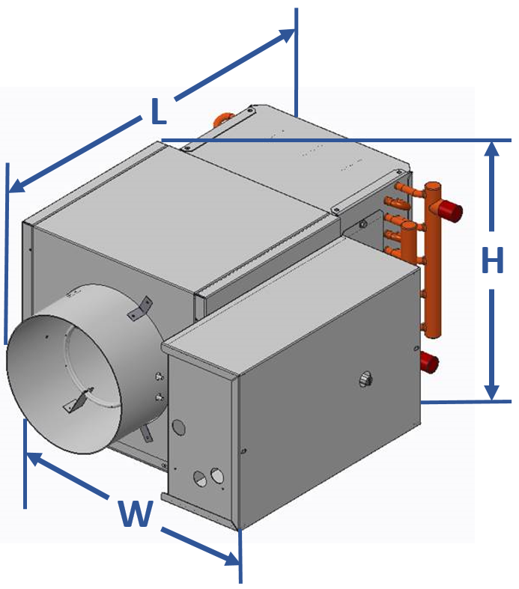
 | (Length x Width x Height, Inches)3
 | VCCF | VCEF | VCWF
 | ------ | ------ | ------

Unit Air Pressure Drop
Airflow (CFM) | APD (in. w.g) |  | Airflow (CFM) | APD (in. w.g)
 | VCCF | VCEF |  | VCCF | VCEF
------ | ------ | ------ | ------ | ------ | ------

Electric Reheat (VCEF)
Airflow (CFM) | Max Capacity (kW)4 | Air Temp Rise (°F) | Airflow (CFM) | Max Capacity (kW)4 | Air Temp Rise (°F)
------ | ------ | ------ | ------ | ------ | ------
Unit LAT reccommended to be 20°F higher than space setpoint to ensure proper mixing

Hot Water Reheat (VCWF)
1-Row Coil
Fluid Flow (GPM) |  |  | Fluid Pressure Drop (ft. H2O)
------ |  |  | ------
Airflow (CFM) | Capacity (MBH)5 | APD (in. w.g.) | Airflow (CFM) | Capacity (MBH)5 | APD (in. w.g.)6
------ | ------ | ------ | ------ | ------ | ------
2-Row Coil
Fluid Flow (GPM) |  |  | Fluid Pressure Drop (ft. H2O)
------ |  |  | ------
Airflow (CFM) | Capacity (MBH)5 | APD (in. w.g.) | Airflow (CFM) | Capacity (MBH)5 | APD (in. w.g.)6
------ | ------ | ------ | ------ | ------ | ------
3-Row Coil
Fluid Flow (GPM) |  |  | Fluid Pressure Drop (ft. H2O)
------ |  |  | ------
Airflow (CFM) | Capacity (MBH)5 | APD (in. w.g.) | Airflow (CFM) | Capacity (MBH)5 | APD (in. w.g.)6
------ | ------ | ------ | ------ | ------ | ------
4-Row Coil
Fluid Flow (GPM) |  |  | Fluid Pressure Drop (ft. H2O)
------ |  |  | ------
Airflow (CFM) | Capacity (MBH)5 | APD (in. w.g.) | Airflow (CFM) | Capacity (MBH)5 | APD (in. w.g.)6
------ | ------ | ------ | ------ | ------ | ------
VCWF Example: 8 in. Inlet Size, 1-Row Coil, has a fluid flow rate range of 0.6-2.5 and a fluid pressure drop range of 1.0-12.1. At fluid flow rate of 0.6 GPM and airflow of 350 CFM, the capacity is 13.8 MBH and the APD is 0.14 in. w.g.

Notes
1. Minimum airflows shown are to maintain pressure independence. Absolute minimums are 0 cfm.
2. NC values shown are based on VCCF with 0.75 in. w.g. inlet static pressure, 0.25 in. w.g downstream static pressure and AHRI
885-08 transfer functions. NC values for VCCF model. Ultiize Trane® Select AssistTM for additional acoustical performance.
3. VCCF and VCWF width includes 5.5 in. for control enclosure VCEF width includes 6 in. for controls enclosure Length includes inlet reducer (sizes 4 & 5), inlet cylinder and discharge slip & drive connection VCWF length includes 1/2-row coil length. Add 1.5 in. for 3 and 4-row coils

4. Max kW available depends on voltage and stages required
5. Capacity based on 55°F entering air temperature and 180°F entering water temperature
6. Air pressure drop includes unit and hot water coil

Calculations
Air ΔT = (kW * 3145)/Airflow
MBH = 500*(H2O ΔT)*GPM = 1.085*(Air ΔT)*CFM
MBH = 1.085*(Air ΔT)*CFM

Definitions and Units
VCCF = Single duct VAV unit without reheat
VCEF = Single duct VAV unit with electric reheat
VCWF = Single duct VAV unit with hot water reheat
NC = Noise Criteria |  |  |  |  | 2020-11-17
APD = Air pressure drop [in. w.g] |  |  |  |  | Rev 2

